Dashboard
IPL DATA ANALYSIS SEASON WISE DASHBOARD

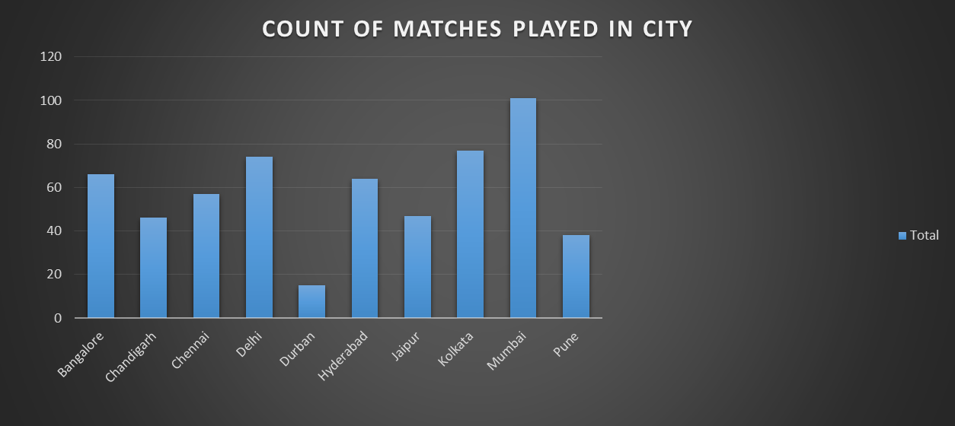
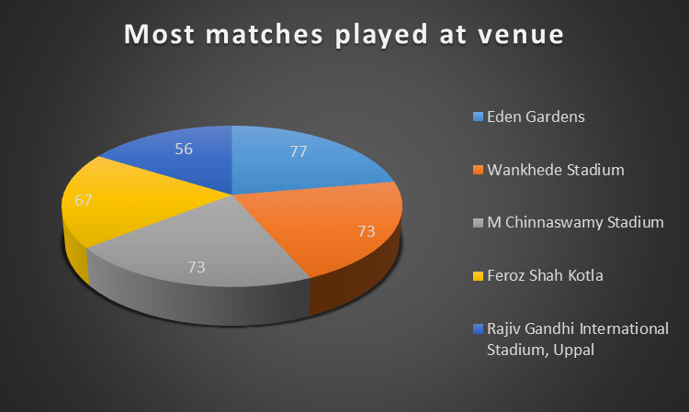

MOST PLAYER OF THE MATCH(2008-2019)
 | Total
CH Gayle | 21
AB de Villiers | 20
DA Warner | 17
RG Sharma | 17
MS Dhoni | 17
YK Pathan | 16
SR Watson | 15
SK Raina | 14
G Gambhir | 13
V Kohli | 12
AM Rahane | 12
MEK Hussey | 12

SUM OF WINS BY RUNS
 | Mumbai Indians | Chennai Super Kings | Royal Challengers Bangalore | Kolkata Knight Riders | Kings XI Punjab
2008 | 54 | 70 | 17 | 194 | 117
2009 | 136 | 262 | 95 | 0 | 42
2010 | 374 | 162 | 36 | 88 | 0
2011 | 121 | 227 | 154 | 46 | 264
2012 | 55 | 221 | 122 | 180 | 34
2013 | 318 | 310 | 177 | 94 | 61
2014 | 59 | 134 | 16 | 101 | 211
2015 | 140 | 208 | 248 | 48 | 40
2016 | 105 |  | 285 | 29 | 32
2017 | 170 |  | 46 | 99 | 66
2018 | 164 | 81 | 28 | 127 | 23
2019 | 170 | 110 | 28 | 62 | 40

SUM OF WINS BY WICKETS
 | Kings XI Punjab | Kolkata Knight Riders | Royal Challengers Bangalore | Mumbai Indians | Delhi Daredevils | Rajasthan Royals | Chennai Super Kings | Sunrisers Hyderabad | Deccan Chargers | Pune Warriors | Gujarat Lions | Rising Pune Supergiants
2008 | 18 | 30 | 36 | 25 | 11 | 16 | 35 |  | 50
2009 | 18 | 47 | 20 | 27 | 24 | 11 | 21 |  | 12
2010 | 43 | 31 | 19 | 22 | 12 | 29 | 17 |  | 17
2011 | 20 | 22 | 15 | 25 | 24 | 42 | 21 |  | 26 | 37
2012 | 28 | 13 | 14 | 22 | 15 | 37 | 41 |  | 43 | 28
2013 | 35 | 29 | 26 | 16 | 29 | 31 | 5 | 31 |  | 25
2014 | 24 | 4 | 31 | 37 | 50 | 17 | 25 | 37
2015 | 26 | 10 | 11 | 20 | 24 | 9 | 27 | 21
2016 | 35 | 32 | 30 | 32 | 22 |  |  | 21 |  |  | 31 | 41
2017 | 31 | 18 | 30 | 14 | 21 |  |  | 23 |  |  | 47 | 20
2018 | 25 | 19 | 21 | 19 | 33 | 28 | 18 | 23
2019 | 23 | 40 | 28 | 17 |  | 28 | 18 | 31

COUNT OF TOSS WINNER AND DECIONS OF TEAMS
 | Royal Challengers Bangalore | Mumbai Indians | Kolkata Knight Riders | Kings XI Punjab | Delhi Daredevils
bat | 34 | 32 | 33 | 30 | 38
field | 61 | 54 | 62 | 55 | 51

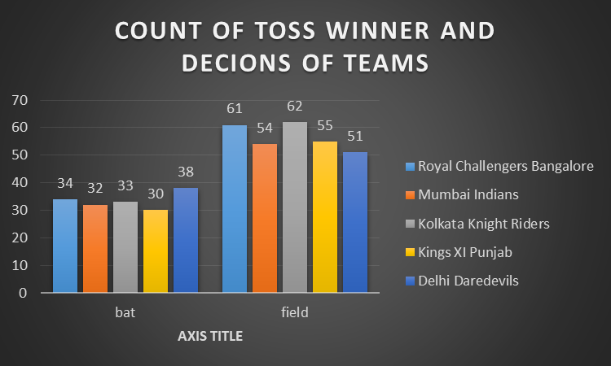
Most number of toss won by team
 | Total
Chennai Super Kings | 60
Deccan Chargers | 33
Delhi Capitals | 5
Delhi Daredevils | 49
Gujarat Lions | 5
Kings XI Punjab | 43
Kochi Tuskers Kerala | 3
Kolkata Knight Riders | 25
Mumbai Indians | 24
Pune Warriors | 3
Rajasthan Royals | 21
Rising Pune Supergiants | 5
Royal Challengers Bangalore | 26
Sunrisers Hyderabad | 13

COUNT OF TOSS DECIONS AT VENUE
 | field | bat
Wankhede Stadium | 51 | 22
Subrata Roy Sahara Stadium | 2 | 15
Sawai Mansingh Stadium | 28 | 19
Rajiv Gandhi International Stadium, Uppal | 31 | 25
Punjab Cricket Association Stadium, Mohali | 21 | 14
Maharashtra Cricket Association Stadium | 19 | 2
MA Chidambaram Stadium, Chepauk | 15 | 34
M Chinnaswamy Stadium | 64 | 9
Feroz Shah Kotla | 39 | 28
Eden Gardens | 49 | 28
Dr DY Patil Sports Academy | 10 | 7

SEASON WISE MATCHES PLAYED
 | Total
2008 | 58
2009 | 57
2010 | 60
2011 | 73
2012 | 74
2013 | 76
2014 | 60
2015 | 59
2016 | 60
2017 | 59
2018 | 60
2019 | 60

season wise wins of teams
 | 2008 | 2009 | 2010 | 2011 | 2012 | 2013 | 2014 | 2015 | 2016 | 2017 | 2018 | 2019
Chennai Super Kings | 9 | 8 | 9 | 11 | 10 | 12 | 10 | 10 |  |  | 11 | 10
Kings XI Punjab | 10 | 7 | 4 | 7 | 8 | 8 | 12 | 3 | 4 | 7 | 6 | 6
Kolkata Knight Riders | 6 | 3 | 7 | 8 | 12 | 6 | 11 | 7 | 8 | 9 | 9 | 6
Mumbai Indians | 7 | 5 | 11 | 10 | 10 | 13 | 7 | 10 | 7 | 12 | 6 | 11
Royal Challengers Bangalore | 4 | 9 | 8 | 10 | 8 | 9 | 5 | 8 | 9 | 3 | 6 | 5

UMPIRES IN IPL (2008-2019)
 | Total
HDPK Dharmasena | 73
Asad Rauf | 51
S Ravi | 49
AK Chaudhary | 44
Aleem Dar | 38
BF Bowden | 37
BR Doctrove | 34
M Erasmus | 32
Nitin Menon | 20
RE Koertzen | 20

pivot table
Most number of toss won by team
Row Labels | Count of toss_winner
Chennai Super Kings | 60
Deccan Chargers | 33
Delhi Capitals | 5
Delhi Daredevils | 49
Gujarat Lions | 5
Kings XI Punjab | 43
Kochi Tuskers Kerala | 3
Kolkata Knight Riders | 25
Mumbai Indians | 24
Pune Warriors | 3
Rajasthan Royals | 21
Rising Pune Supergiants | 5
Royal Challengers Bangalore | 26
Sunrisers Hyderabad | 13
Grand Total | 315

pivot table2
Count of toss_decision in venue | Column Labels
Row Labels | field | bat | Grand Total
Wankhede Stadium | 51 | 22 | 73
Subrata Roy Sahara Stadium | 2 | 15 | 17
Sawai Mansingh Stadium | 28 | 19 | 47
Rajiv Gandhi International Stadium, Uppal | 31 | 25 | 56
Punjab Cricket Association Stadium, Mohali | 21 | 14 | 35
Maharashtra Cricket Association Stadium | 19 | 2 | 21
MA Chidambaram Stadium, Chepauk | 15 | 34 | 49
M Chinnaswamy Stadium | 64 | 9 | 73
Feroz Shah Kotla | 39 | 28 | 67
Eden Gardens | 49 | 28 | 77
Dr DY Patil Sports Academy | 10 | 7 | 17
Grand Total | 329 | 203 | 532
COUNT OF TOSS DECIONS AT VENUE

pivot table 3
UMPIRES IN IPL (2008-2019)
Row Labels | Count of team1
HDPK Dharmasena | 73
Asad Rauf | 51
S Ravi | 49
AK Chaudhary | 44
Aleem Dar | 38
BF Bowden | 37
BR Doctrove | 34
M Erasmus | 32
Nitin Menon | 20
RE Koertzen | 20
Grand Total | 398

pivot table4
Row Labels | Count of team2
Bangalore | 66
Chandigarh | 46
Chennai | 57
COUNT OF MATCHES PLAYED IN CITY
Delhi | 74
Durban | 15
Hyderabad | 64
Jaipur | 47
Kolkata | 77
Mumbai | 101
Pune | 38
Grand Total | 585

pivot table5
Row Labels | Count of team1
2008 | 58
2009 | 57
SEASON WISE MATCHES PLAYED
2010 | 60
2011 | 73
2012 | 74
2013 | 76
2014 | 60
2015 | 59
2016 | 60
2017 | 59
2018 | 60
2019 | 60
Grand Total | 756

pivot table6
MOST PLAYER OF THE MATCH(2008-2019)
Row Labels | Count of player of the match
CH Gayle | 21
AB de Villiers | 20
DA Warner | 17
RG Sharma | 17
MS Dhoni | 17
YK Pathan | 16
SR Watson | 15
SK Raina | 14
G Gambhir | 13
V Kohli | 12
AM Rahane | 12
MEK Hussey | 12
Grand Total | 186

pivot table7
Count of toss_winner | Column Labels
Row Labels | Royal Challengers Bangalore | Mumbai Indians | Kolkata Knight Riders | Kings XI Punjab | Delhi Daredevils | Grand Total
bat | 34 | 32 | 33 | 30 | 38 | 167
field | 61 | 54 | 62 | 55 | 51 | 283
Grand Total | 95 | 86 | 95 | 85 | 89 | 450

COUNT OF TOSS WINNER AND DECIONS OF TEAMS

pivot table8
Most matches played at venue
Row Labels | Matches played
Eden Gardens | 77
Wankhede Stadium | 73
M Chinnaswamy Stadium | 73
Feroz Shah Kotla | 67
Rajiv Gandhi International Stadium, Uppal | 56
Grand Total | 346

pivot table 9
Sum of win_by_wickets | Column Labels
Row Labels | Kings XI Punjab | Kolkata Knight Riders | Royal Challengers Bangalore | Mumbai Indians | Delhi Daredevils | Rajasthan Royals | Chennai Super Kings | Sunrisers Hyderabad | Deccan Chargers | Pune Warriors | Gujarat Lions | Rising Pune Supergiants | Kochi Tuskers Kerala | Delhi Capitals | Grand Total
2008 | 18 | 30 | 36 | 25 | 11 | 16 | 35 |  | 50 |  |  |  |  |  | 221
2009 | 18 | 47 | 20 | 27 | 24 | 11 | 21 |  | 12 |  |  |  |  |  | 180
2010 | 43 | 31 | 19 | 22 | 12 | 29 | 17 |  | 17 |  |  |  |  |  | 190
2011 | 20 | 22 | 15 | 25 | 24 | 42 | 21 |  | 26 | 37 |  |  | 33 |  | 265
2012 | 28 | 13 | 14 | 22 | 15 | 37 | 41 |  | 43 | 28 |  |  |  |  | 241
2013 | 35 | 29 | 26 | 16 | 29 | 31 | 5 | 31 |  | 25 |  |  |  |  | 227
2014 | 24 | 4 | 31 | 37 | 50 | 17 | 25 | 37 |  |  |  |  |  |  | 225
2015 | 26 | 10 | 11 | 20 | 24 | 9 | 27 | 21 |  |  |  |  |  |  | 148
2016 | 35 | 32 | 30 | 32 | 22 |  |  | 21 |  |  | 31 | 41 |  |  | 244
2017 | 31 | 18 | 30 | 14 | 21 |  |  | 23 |  |  | 47 | 20 |  |  | 204
2018 | 25 | 19 | 21 | 19 | 33 | 28 | 18 | 23 |  |  |  |  |  |  | 186
2019 | 23 | 40 | 28 | 17 |  | 28 | 18 | 31 |  |  |  |  |  | 17 | 202
Grand Total | 326 | 295 | 281 | 276 | 265 | 248 | 228 | 187 | 148 | 90 | 78 | 61 | 33 | 17 | 2533
SUM OF WINS BY WICKETS
 | Kings XI Punjab | Kolkata Knight Riders | Royal Challengers Bangalore | Mumbai Indians | Delhi Daredevils | Rajasthan Royals | Chennai Super Kings | Sunrisers Hyderabad | Deccan Chargers | Pune Warriors | Gujarat Lions | Rising Pune Supergiants
2008 | 18 | 30 | 36 | 25 | 11 | 16 | 35 |  | 50
2009 | 18 | 47 | 20 | 27 | 24 | 11 | 21 |  | 12
2010 | 43 | 31 | 19 | 22 | 12 | 29 | 17 |  | 17
2011 | 20 | 22 | 15 | 25 | 24 | 42 | 21 |  | 26 | 37
2012 | 28 | 13 | 14 | 22 | 15 | 37 | 41 |  | 43 | 28
2013 | 35 | 29 | 26 | 16 | 29 | 31 | 5 | 31 |  | 25
2014 | 24 | 4 | 31 | 37 | 50 | 17 | 25 | 37
2015 | 26 | 10 | 11 | 20 | 24 | 9 | 27 | 21
2016 | 35 | 32 | 30 | 32 | 22 |  |  | 21 |  |  | 31 | 41
2017 | 31 | 18 | 30 | 14 | 21 |  |  | 23 |  |  | 47 | 20
2018 | 25 | 19 | 21 | 19 | 33 | 28 | 18 | 23
2019 | 23 | 40 | 28 | 17 |  | 28 | 18 | 31

pivot table 10
Count of season | Column Labels
Row Labels | 2008 | 2009 | 2010 | 2011 | 2012 | 2013 | 2014 | 2015 | 2016 | 2017 | 2018 | 2019 | Grand Total
Chennai Super Kings | 9 | 8 | 9 | 11 | 10 | 12 | 10 | 10 |  |  | 11 | 10 | 100
Kings XI Punjab | 10 | 7 | 4 | 7 | 8 | 8 | 12 | 3 | 4 | 7 | 6 | 6 | 82
Kolkata Knight Riders | 6 | 3 | 7 | 8 | 12 | 6 | 11 | 7 | 8 | 9 | 9 | 6 | 92
Mumbai Indians | 7 | 5 | 11 | 10 | 10 | 13 | 7 | 10 | 7 | 12 | 6 | 11 | 109
Royal Challengers Bangalore | 4 | 9 | 8 | 10 | 8 | 9 | 5 | 8 | 9 | 3 | 6 | 5 | 84
Grand Total | 36 | 32 | 39 | 46 | 48 | 48 | 45 | 38 | 28 | 31 | 38 | 38 | 467

season wise wins of teams
 | 2008 | 2009 | 2010 | 2011 | 2012 | 2013 | 2014 | 2015 | 2016 | 2017 | 2018 | 2019
Chennai Super Kings | 9 | 8 | 9 | 11 | 10 | 12 | 10 | 10 |  |  | 11 | 10
Kings XI Punjab | 10 | 7 | 4 | 7 | 8 | 8 | 12 | 3 | 4 | 7 | 6 | 6
Kolkata Knight Riders | 6 | 3 | 7 | 8 | 12 | 6 | 11 | 7 | 8 | 9 | 9 | 6
Mumbai Indians | 7 | 5 | 11 | 10 | 10 | 13 | 7 | 10 | 7 | 12 | 6 | 11
Royal Challengers Bangalore | 4 | 9 | 8 | 10 | 8 | 9 | 5 | 8 | 9 | 3 | 6 | 5

pivot table 11
Sum of win_by_runs | Column Labels
Row Labels | Mumbai Indians | Chennai Super Kings | Royal Challengers Bangalore | Kolkata Knight Riders | Kings XI Punjab | Grand Total
2008 | 54 | 70 | 17 | 194 | 117 | 452
2009 | 136 | 262 | 95 | 0 | 42 | 535
2010 | 374 | 162 | 36 | 88 | 0 | 660
2011 | 121 | 227 | 154 | 46 | 264 | 812
2012 | 55 | 221 | 122 | 180 | 34 | 612
2013 | 318 | 310 | 177 | 94 | 61 | 960
2014 | 59 | 134 | 16 | 101 | 211 | 521
2015 | 140 | 208 | 248 | 48 | 40 | 684
2016 | 105 |  | 285 | 29 | 32 | 451
2017 | 170 |  | 46 | 99 | 66 | 381
2018 | 164 | 81 | 28 | 127 | 23 | 423
2019 | 170 | 110 | 28 | 62 | 40 | 410
Grand Total | 1866 | 1785 | 1252 | 1068 | 930 | 6901
SUM OF WINS BY RUNS
 | Mumbai Indians | Chennai Super Kings | Royal Challengers Bangalore | Kolkata Knight Riders | Kings XI Punjab
2008 | 54 | 70 | 17 | 194 | 117
2009 | 136 | 262 | 95 | 0 | 42
2010 | 374 | 162 | 36 | 88 | 0
2011 | 121 | 227 | 154 | 46 | 264
2012 | 55 | 221 | 122 | 180 | 34
2013 | 318 | 310 | 177 | 94 | 61
2014 | 59 | 134 | 16 | 101 | 211
2015 | 140 | 208 | 248 | 48 | 40
2016 | 105 |  | 285 | 29 | 32
2017 | 170 |  | 46 | 99 | 66
2018 | 164 | 81 | 28 | 127 | 23
2019 | 170 | 110 | 28 | 62 | 40

